PV451_P(kW) vs. Time of Day
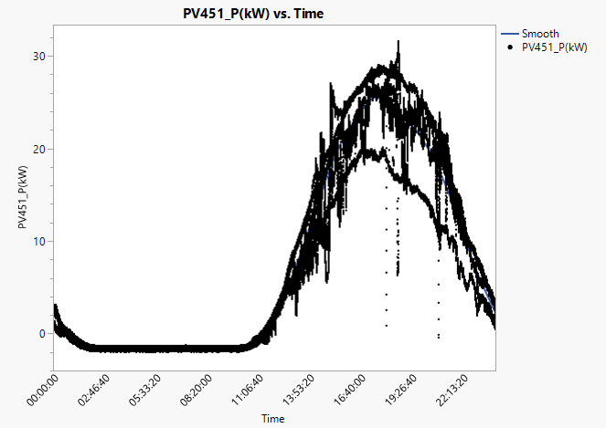

PV451_P(kW) vs. Solar Radiation
